Metadata
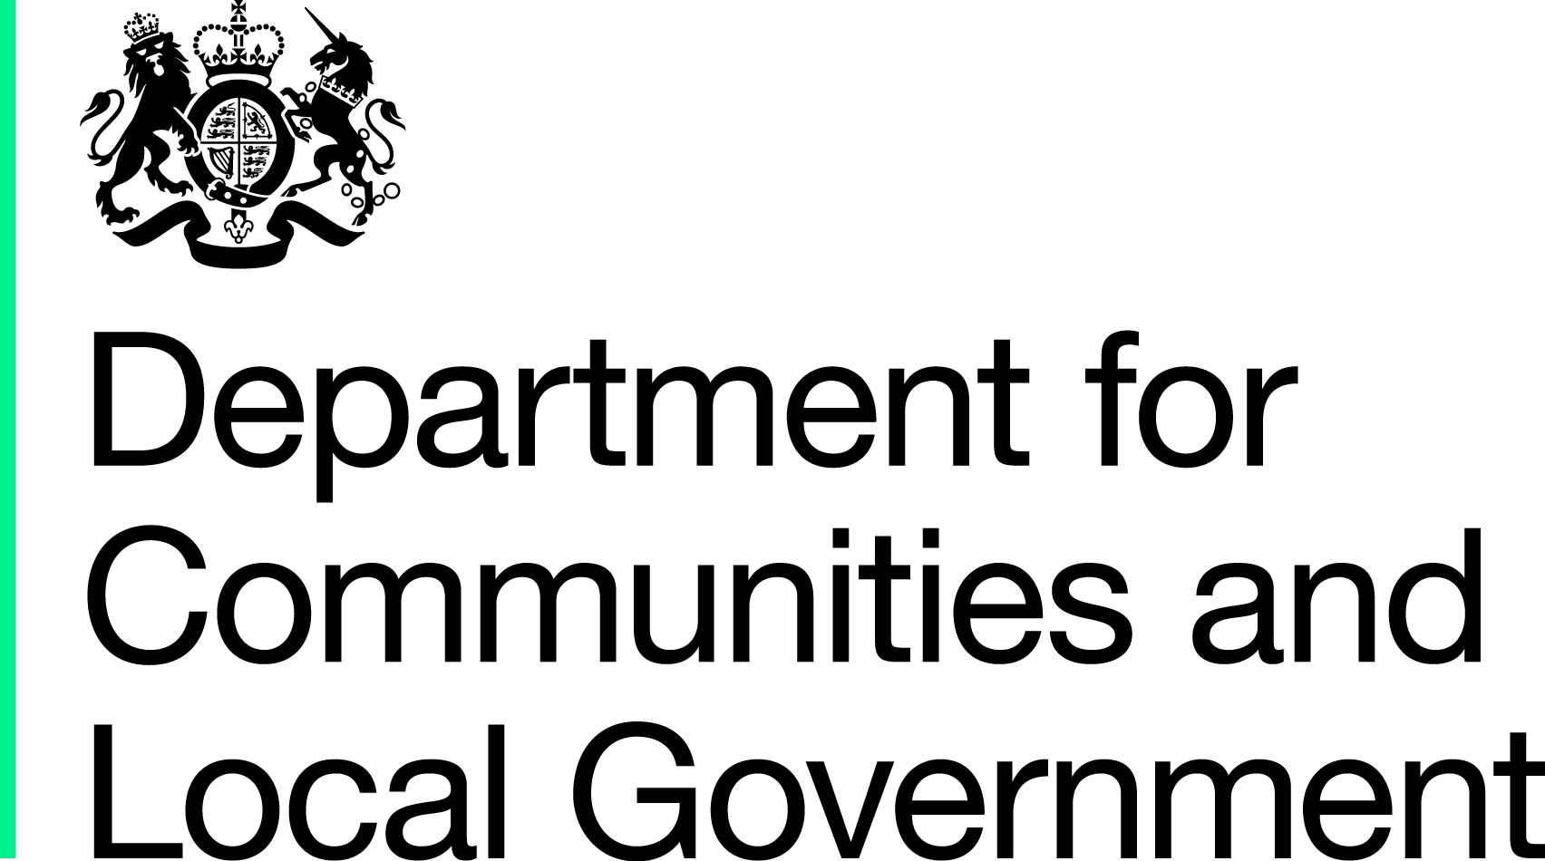
Background
This publication provides UK quarterly borrowing and investment levels of 502 local authorities in the United Kingdom (UK), over the 2016-17 financial year. Quarter 4 local authority borrowing and investment breakdowns have been provided back to 2008-09. Local authorities in the UK provide borrowing and lending information, which covers all external borrowing, lending and transactions in financial assets. These do not include pension funds as these are not financial assets of the local authority.

Please note that for the first time in this publication, we have also included local authority borrowing and investment breakdowns for the most recent quarter. Doing so provides users with the most up to date information on borrowing and investment levels at a local authority level. Due to seasonality in the data, this information may not be comparable with the final year Q4 positions documented historically in this release.
Uses of the data Local authority borrowing and investment data is collected by the Department of Communities and Local Government (DCLG) on behalf of the Office for National Statistics (ONS) and HM Treasury (HMT) for the monthly public sector finance release. The figures provided by local authorities are combined with a number of other government sources to compile whole of government financial statistics such as Public Sector Net Borrowing and Public Sector Net Debt. The Public Sector Finance data are used by HMT and Bank of England when setting monetary policy for the UK. These data are compared to forecasts from The Office for Budget Responsibility (OBR) where the current UK fiscal position can be evaluated. The latest public sector finance release can be found at: http://www.ons.gov.uk/ons/rel/psa/public-sector-finances/index.html
These data are also analysed in our annual borrowing and investments publication that can be found here: https://www.gov.uk/government/collections/borrowing-and-investments-by-uk-local-authorities
Data collection The information for local authority borrowing and investments is collected from a sample of 161 local authorities (covering all types of authorities and all administrations) each month and from 502 local authorities in the UK every quarter. 25 authorities have not historically provided their borrowing and investment information to DCLG. These authorities are a small selection of Scotland and England’s Park, Police and Fire authorities. Q3 is based on returns for 500 authorities as Wokingham and Derry City and Strabane did not submit a return in time for release. For these authorities, data has been grossed from their Q2 returns. Local authorities in the United Kingdom provide their borrowing and investment information on a form provided by the Department of Communities and Local Government. This form covers 26 sources of borrowing and 27 categories of investment. Under other investments three of these categories are grouped from the original form, these are: other investments, other securities and rest of the world. Rest of the world is grouped into the other category as both longer-term and short term borrowing. Local Authorities use guidance in the form to submit all of their borrowing and investment information for a specified time period. The latest copy of the monthly and quarterly borrowing and investment forms can be found here: https://www.gov.uk/government/collections/local-government-finance-miscellaneous-forms

Revisions:
Local authorities are invited to resubmit data where errors in previous returns have occurred. These are commonly found in the quarterly UK totals, where previous quarter levels can change. Where data have been revised these have been flagged with an (R)

Public enquiries:
For enquiries about this statistical release please contact: 030 344 42702 or borrowing.statistics@communities.gsi.gov.uk.

